SCORE DEFINITIONS
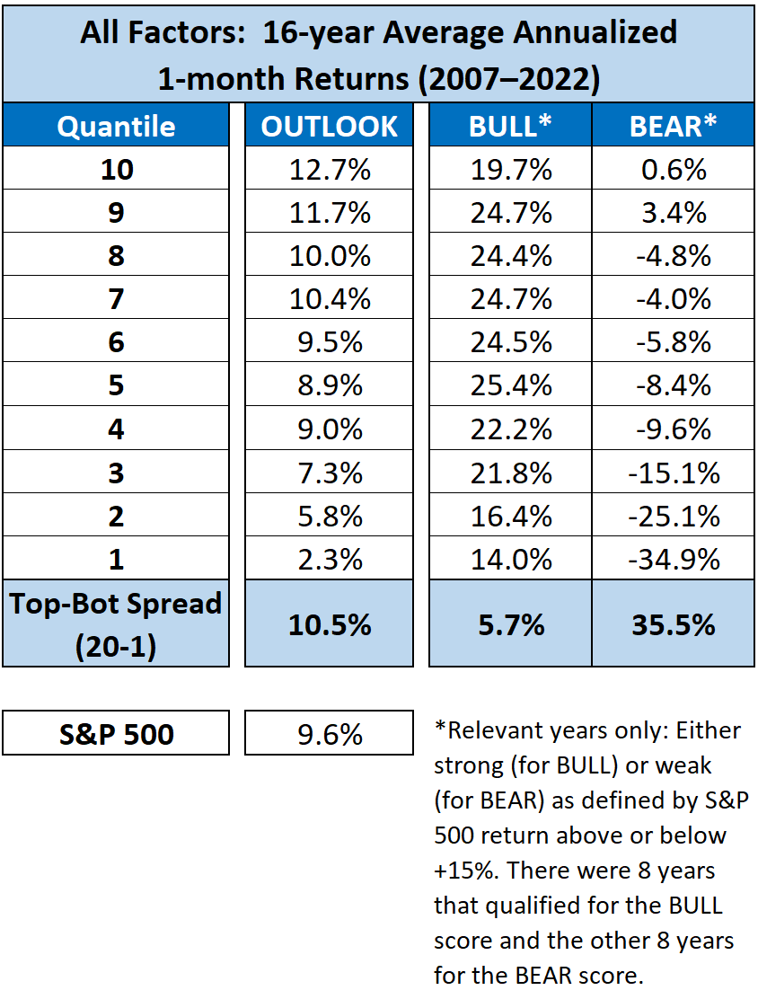
Sabrient Score Definitions
 |  | Note 1: Normalized scores range 0-100, with 100 the best. For each month of the 16-year test period for each Sabrient Score, the stock universe was scored and ranked, and then the stock constituents of each ETF were given their current relative weighting within the ETF to create a composite ETF score. The ETFs were then separated into 10 quantiles. For example, Quantile 10 comprised ETFs scoring 90-100, Quantile 9 comprised 80-90, down to Quantile 1 comprising score of 0-10. Then, 1-month forward returns were computed for each ETF, averaged across all ETFs within the quantile, and then annualized.
OVERVIEW | Sabrient's scores are based on proprietary algorithms that use a range of fundamental data and a relative scoring engine. Scores have a range of 1 – 100. Higher scores are better.

OUTLOOK | The Sabrient OUTLOOK Score is based on historical and projected EPS growth, forward P/E, recent earnings revisions from the sell-side analyst community, return ratios, and earnings quality. The higher the score, the more attractive the combination of valuation, quality, and growth prospects.

BULL | The BULL Score Indicates a stock's relative tendency to outperform during strong market conditions. The higher the score, the more likely the stock will outperform in a rising market.

BEAR | The BEAR Score indicates a security’s relative tendency to outperform during weak market conditions. The higher the score, the more likely the stock will outperform in a falling market. | Note 2: BULL years were 2009 (+26.0% for SPY), 2010 (+15.8%), 2012 (+15.4%), 2013 (+28.7%), 2017 (+20.0%), 2019 (+28.4%), 2020 (+20.1%), 2021 (+26.1%)

Examples of Weighting
 |  | Note 3: BEAR years were 2007 (+5.8% for SPY), 2008 (-43.2%), 2011 (+3.2%), 2014 (+13.2%), 2015 (+2.2%), 2016 (+11.8%), 2018 (-3.4%), 2022 (-17.4%)
Weighting makes the Scorecard even more powerful, allowing you to create your own custom Scorecard. For example, if you're looking for ETFs that are well-positioned for appreciation (according to our Outlook Score) and also tend to perform well (relative to the broader universe) during bearish or stagnant market conditions, you might enter a weighting (of say, 1 or 2 or 3, depending upon how much emphasis you want to place on the given score) in the OUTLOOK and BEAR columns on the Top 30 Equity ETFs tab; then sort the column of Weighted scores by "Largest to Smallest." Or if you want the top-ranked ETFs that have the best overall properties across all three scores (OUTLOOK, BULL, BEAR), you might simply equally weight (with a 1) all three scores; then sort the column of Weighted scores from largest to smallest. You also can do this on the Full Universe tab, which allows to you sort or create weighted scores across Sabrient's entire ranked universe of ETFs.

