Factor Definitions & Backtests
Sabrient Factor Definitions |  | Factor Backtests

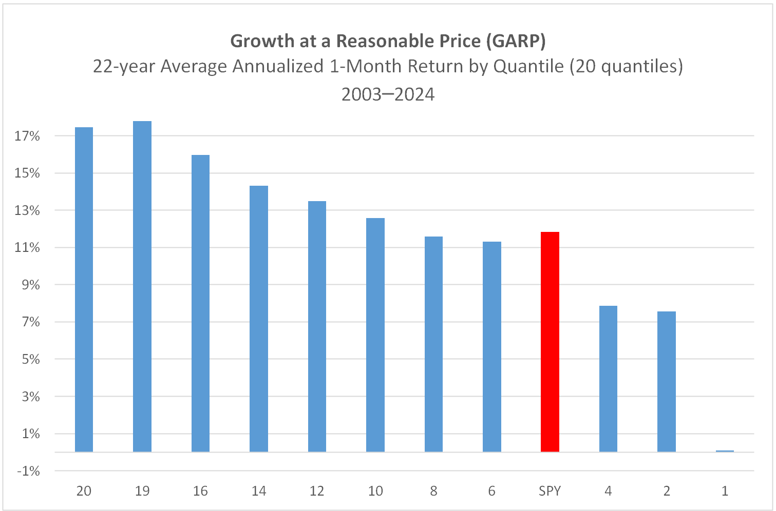
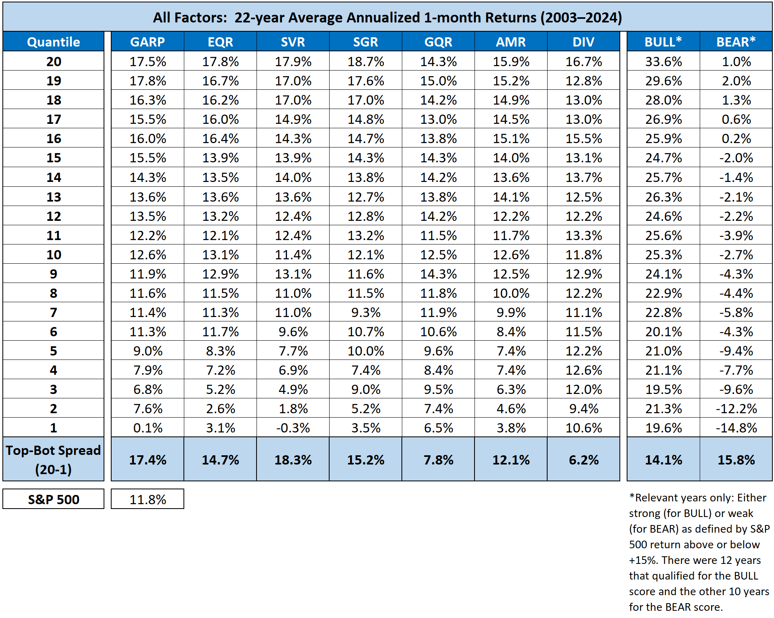
Overview | Sabrient's factors are based on proprietary algorithms that use a range of fundamental data and a relative scoring engine. Scores have a range of 1 – 100. Higher scores are better.

Primary Factors:

GARP | Growth At Reasonable Price Rank
 | GARP is based on a combination of historical and projected EPS growth, forward P/E, recent aggregate earnings revisions from the sell-side analyst community, EQR, and GQR. The higher the GARP Score, the more attractive the combination of valuation, quality, and growth prospects.

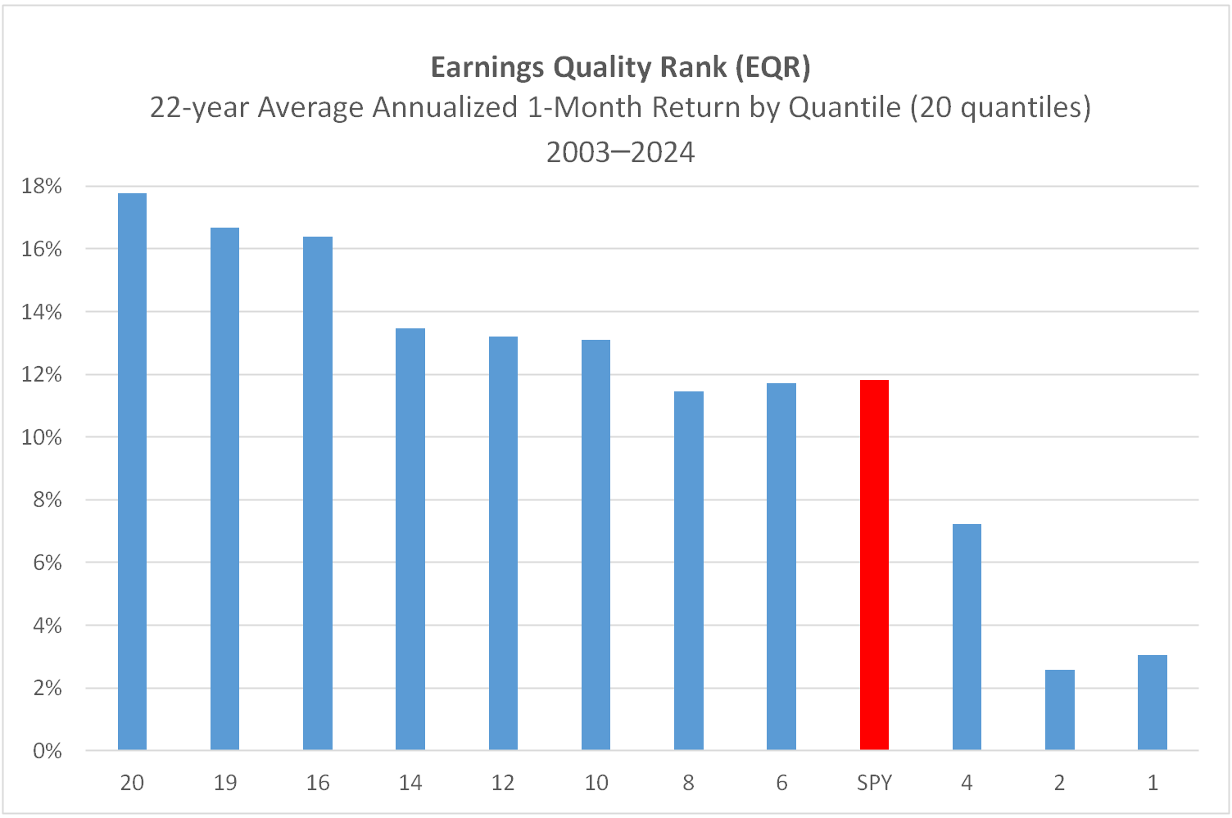
EQR | Earnings Quality Rank
 | EQR was developed jointly by Sabrient Systems and Gradient Analytics as a pure accounting-based risk assessment factor that measures a company’s relative potential risk due to accrual accounting practices, as reflected in key relationships between information contained in the income statement, balance sheet, and cash flow statement. Version 2.0 (which is used here) employs 30 unique industry-specific sub-models as well as trend analysis in selected financial ratios, as well as a relative-scoring engine to assess earnings quality versus peers in similar industries and then roll up industry-level rankings into a universe-wide aggregate rank.

GQR | Growth Quality Rank
 | GQR employs relative-scoring engine to compare the consistency and reliability of a company’s earnings growth, history of earnings surprises, and the likelihood of meeting consensus earnings estimates versus industry peers. As an added factor to the GARP model, it allows for some higher-P/E secular growth companies to be competitive in the rankings with lower-P/E cyclical growth companies that the GARP model tends to favor, thus improving all-weather performance and reducing relative volatility versus market benchmarks. |  | NOTE 1: Normalized scores range 0-100, with 100 the best. For each month of the 21-year test period for each Sabrient Score, the stock universe was scored and ranked and separated into 20 quantiles. For example, Quantile 20 comprised stocks scoring 95-100, Quantile 19 comprised 90-95, down to Quantile 1 comprising stocks scoring 0-5. Then, 1-month forward returns were computed for each stock, averaged across all stocks within the quantile, and then annualized.

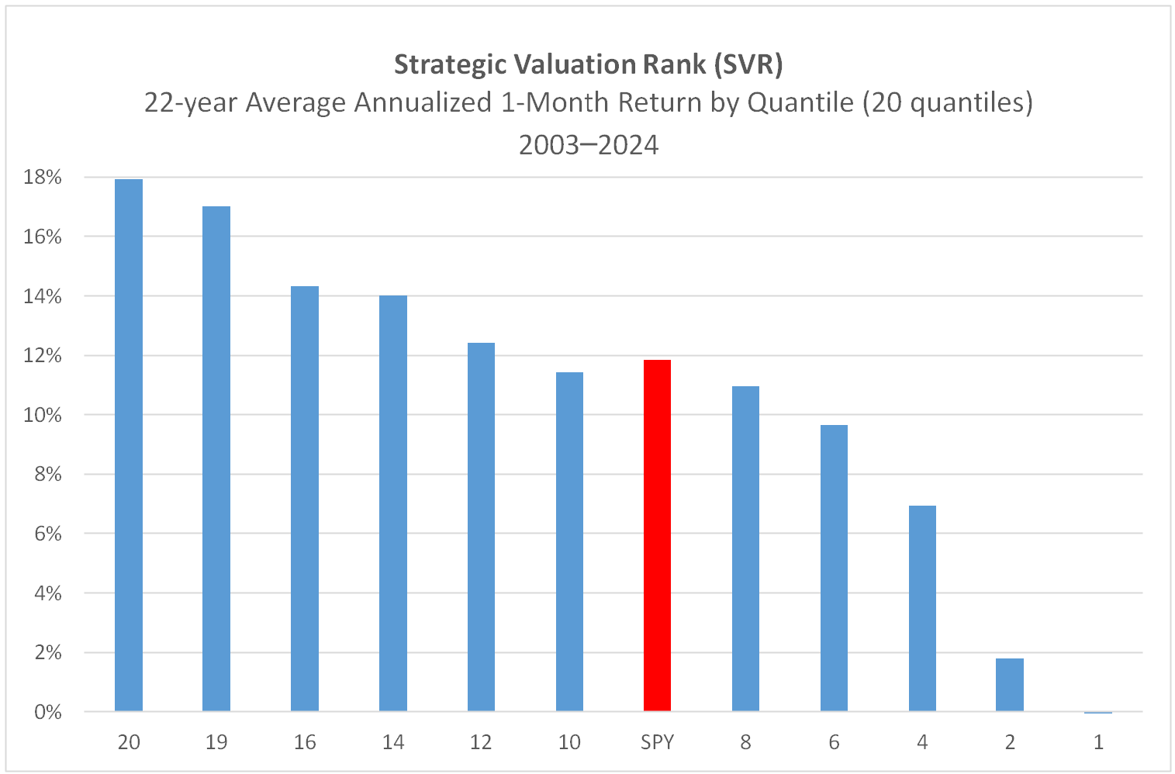
SVR | Strategic Valuation Rank
 | SVR utilizes trailing and forward factors related to income statement, balance sheet, and statement of cash flows. It employs a relative-scoring engine to compare each company against its peers in similar industries, and then rolls up those industry-level rankings into a universe-wide aggregate rank. |  | NOTE 2: The 11 pertinent BULL years (greater than +15% for SPY) were 2003 (+28.2% for SPY), 2006 (+15.9%), 2009 (+26.4%), 2010 (+15.1%), 2012 (+16.0%), 2013 (+32.3), 2017 (+21.7%), 2019 (+31.2%), 2020 (+18.3%), 2021 (+28.7%), 2023 (+26.3%), 2024 (+25.0%).

SGR | Strategic Growth Rank
 | SGR utilizes a combination of factors related to historical cash flow, revenue, operating income, and EPS growth in addition to expected growth (as derived from analyst estimates). Employs relative-scoring engine to compare each company against its peers in similar industries, and then rolls up those industry-level rankings into a universe-wide aggregate rank. |  | NOTE 3: The 10 pertinent BEAR years (less than +15% for SPY) were 2004 (+10.7% for SPY), 2005 (+4.8%), 2007 (+5.2%), 2008 (-36.8%), 2011 (+1.9%), 2014 (+13.5%), 2015 (+1.2%), 2016 (+12.0%), 2018 (-4.6%), 2022 (-18.2%).

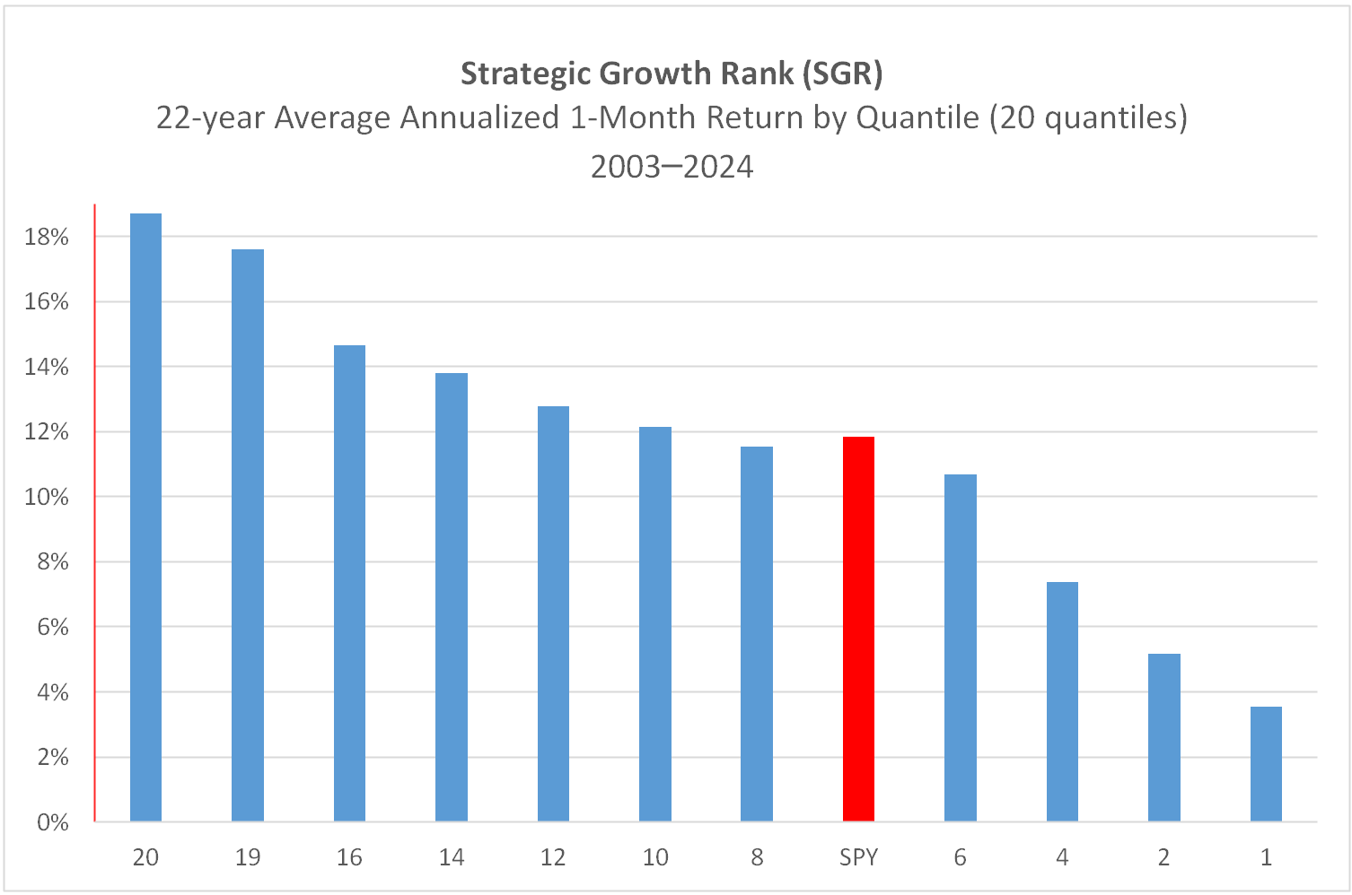
DIV | Dividend Rank |  | (See Disclaimer below charts.)
 | DIV combines a variety of dividend-oriented factors, including yield, coverage ratio, a history of increasing dividends, and a history of consistent and reliable dividend payments. Must pay >1% yield to get a score.
Secondary Factors:

AMR | Aggregate Price Momentum Rank
 | AMR applies price trend factors to a wide array of time periods to develop a holistic assessment of price momentum. Employs relative-scoring engine to compare each company against its peers in similar industries, and then rolls up those rankings into a universe-wide aggregate rank.

BULL | Bull Rank
 | BULL Indicates a stock's relative tendency to outperform during strong market conditions. The higher the score, the more likely the stock will outperform in a rising market.

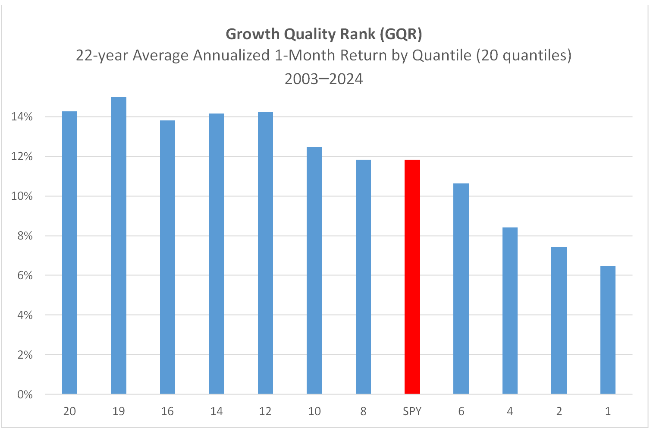
BEAR | Bear Rank
 | BEAR indicates a security’s relative tendency to outperform during weak or stagnant market conditions. The higher the score, the more likely the stock will outperform in a falling market.

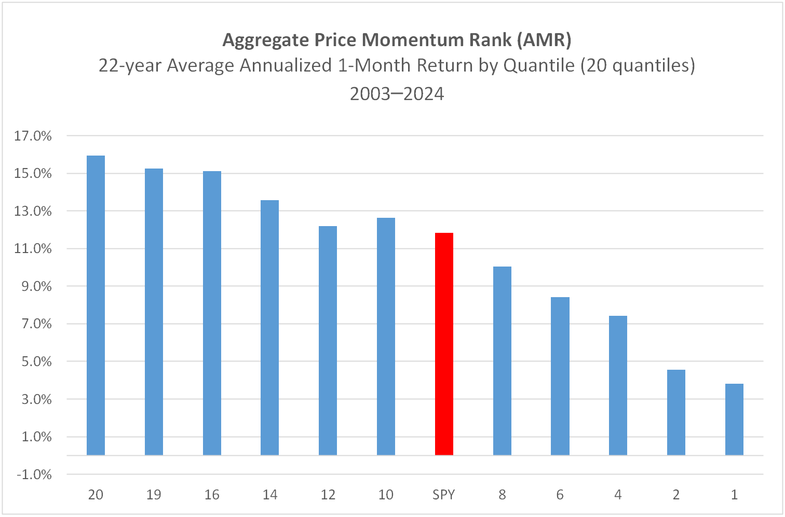

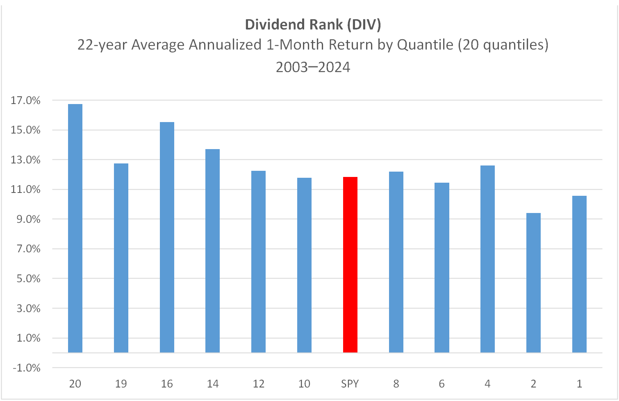

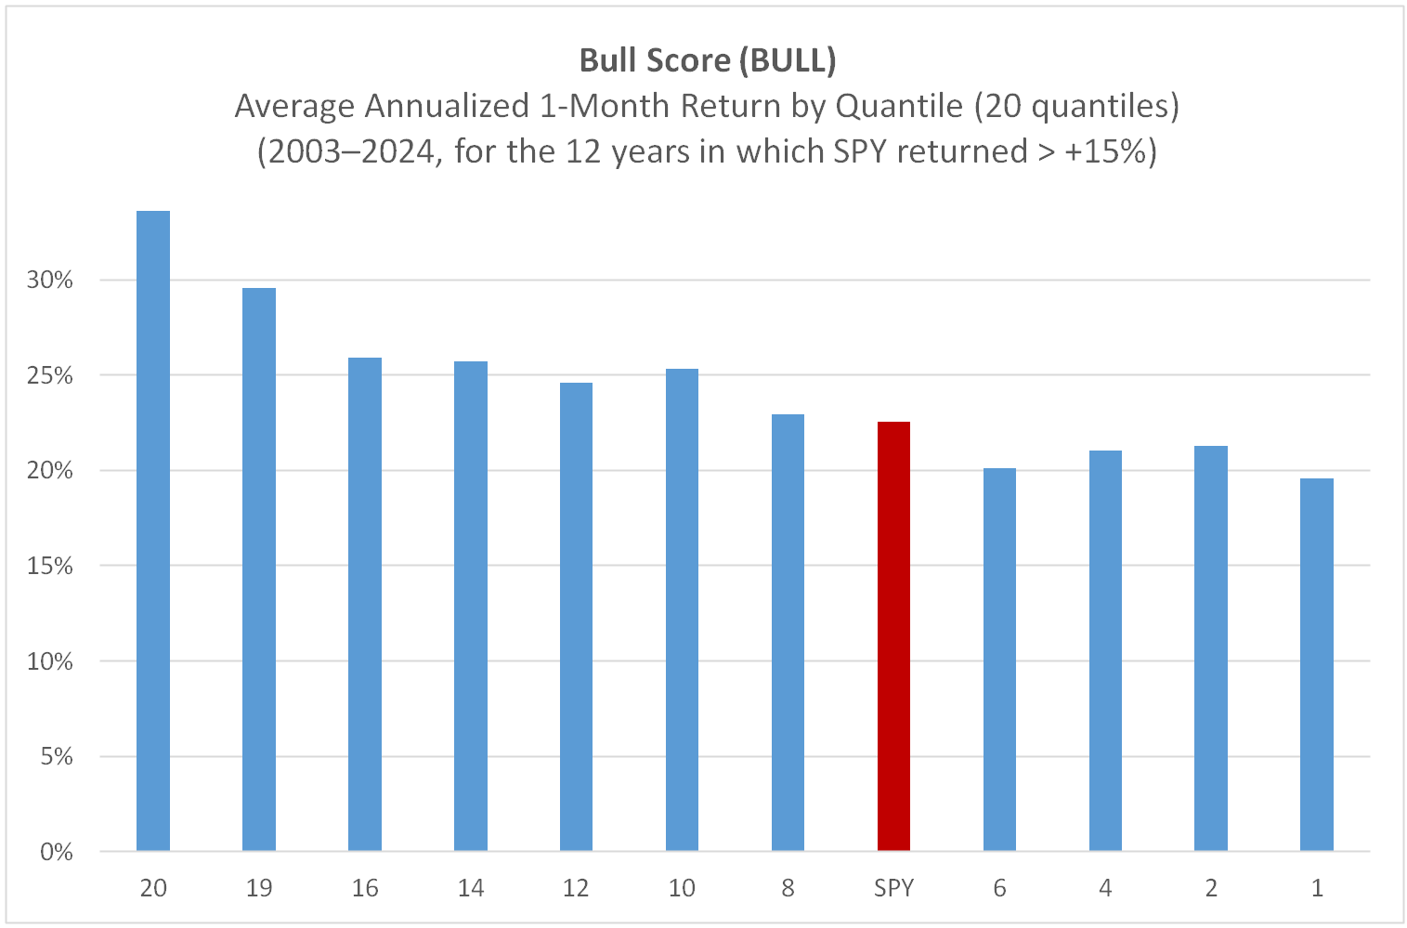

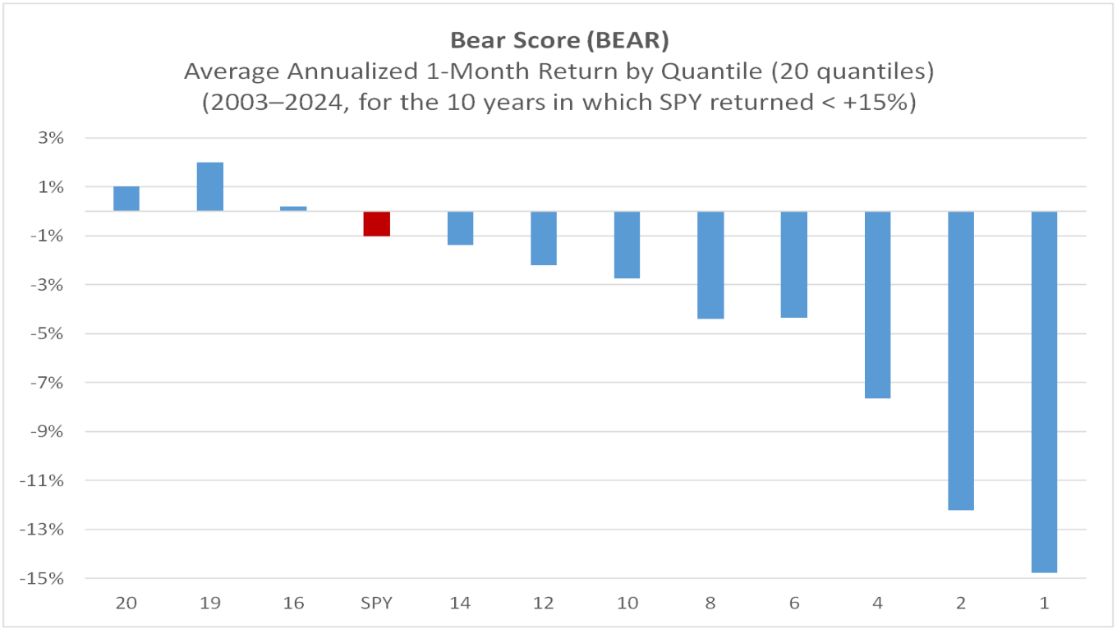

 |  | Disclaimer
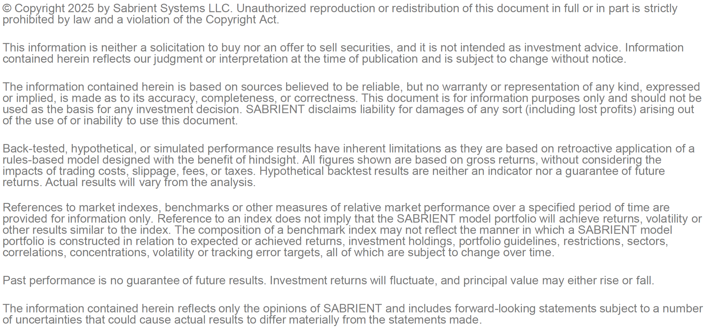

Strategy Simulations
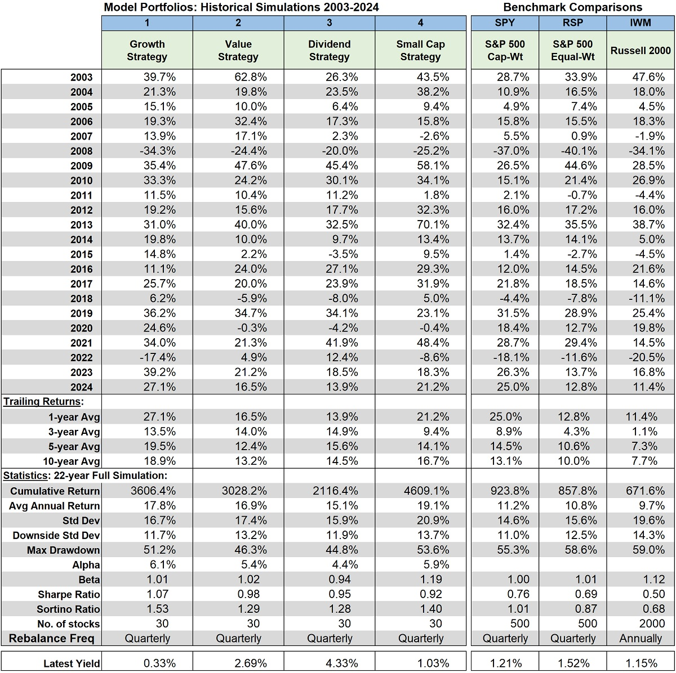
Strategy Simulations
Overview
Each strategy simulation assumes 30 highest ranked stocks were initially bought with equal weights. Then the universe was reranked, reconstituted as appropriate, and rebalanced to equal weights in the middle of every calendar quarter (after most of the stock universe has reported earnings) without regard to sector concentration, risk mitigation tactics, or interim portfolio management between rebalance dates. The original simulation was run in 2023 for the trailing 20 years (2003-2022) post-Internet bubble and is updated annually to add each additional year.
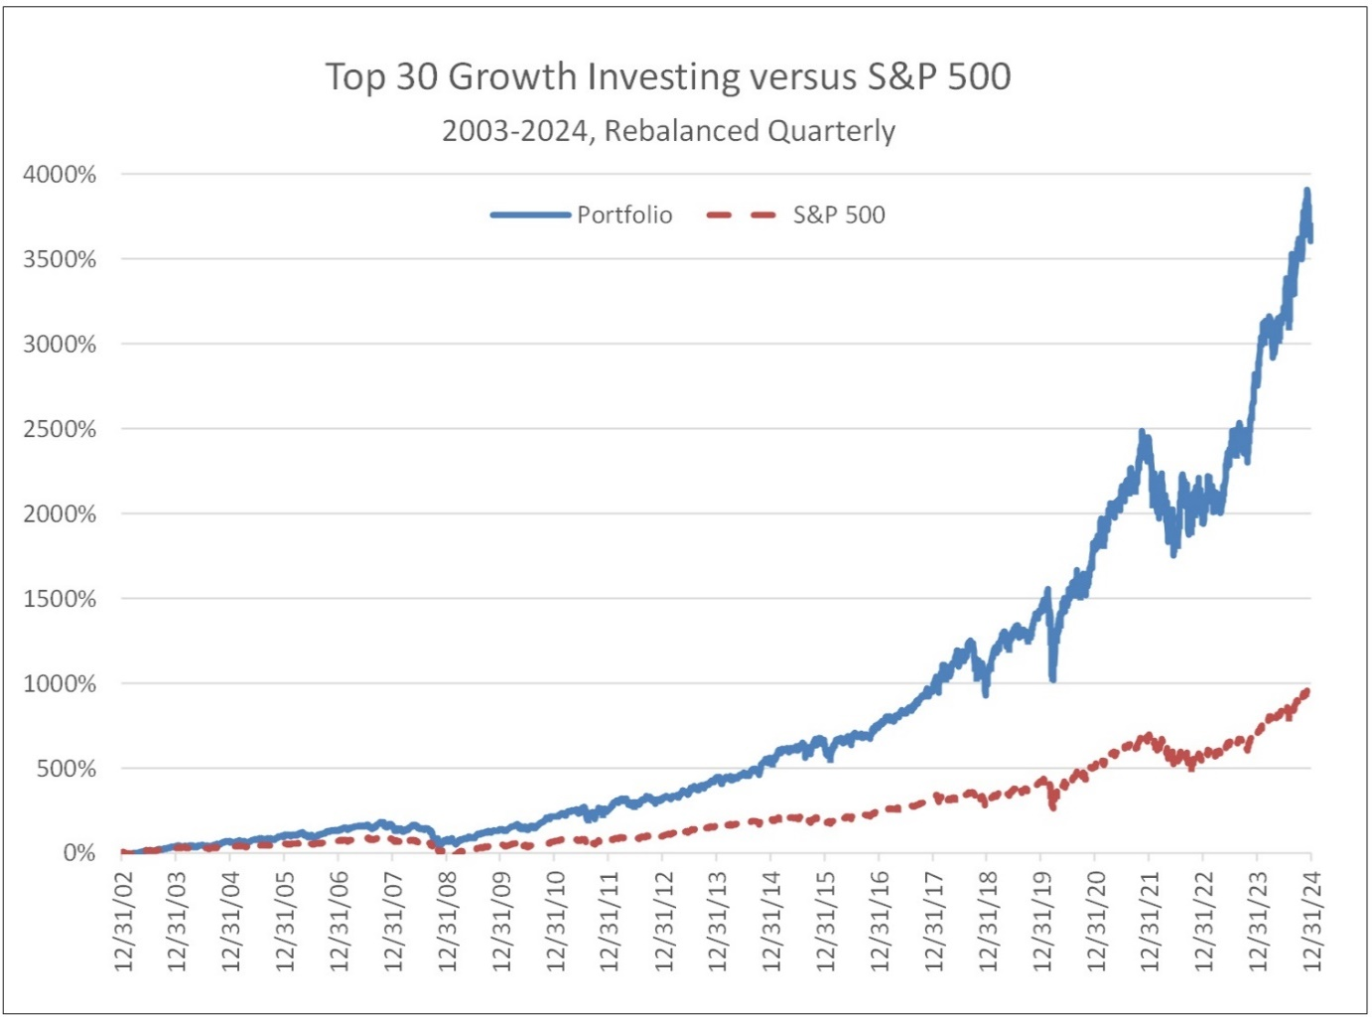

.

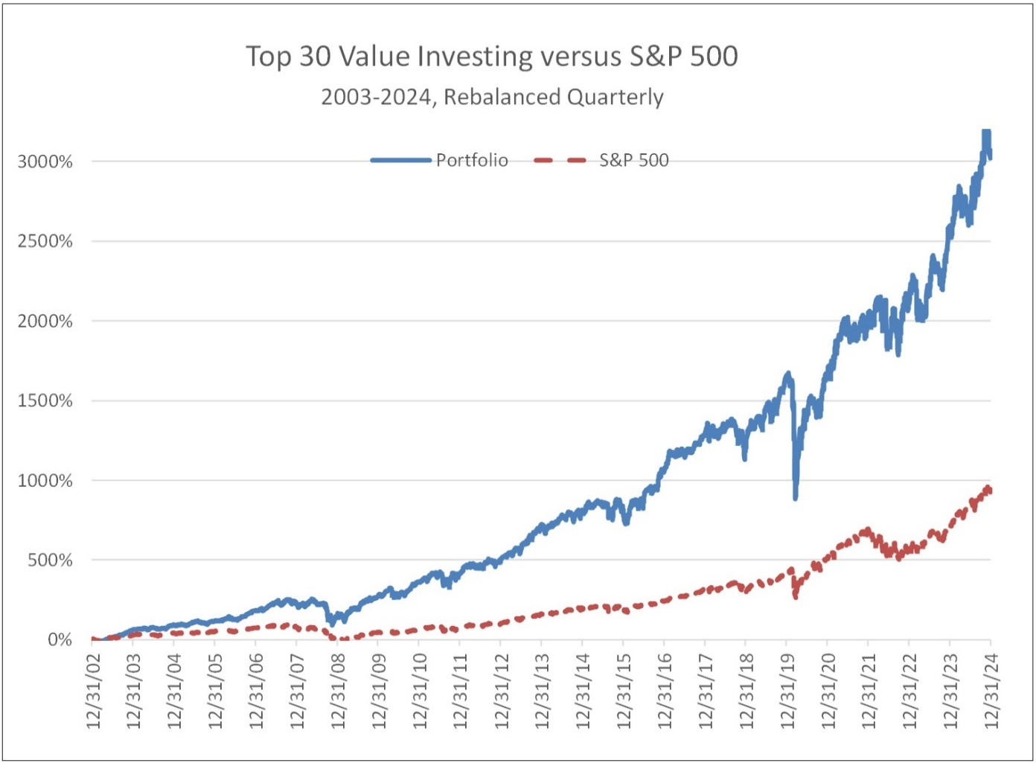

 | Disclaimer:
 | This is for information purposes only. It is neither a solicitation to buy nor an offer to sell securities, and it is not intended as investment advice. The information shown is based on sources believed to be reliable, but no warranty or representation of any kind, expressed or implied, is made as to its accuracy, completeness, or correctness. Sabrient disclaims liability for damages of any sort (including lost profits) arising out of the use of or inability to use this document.

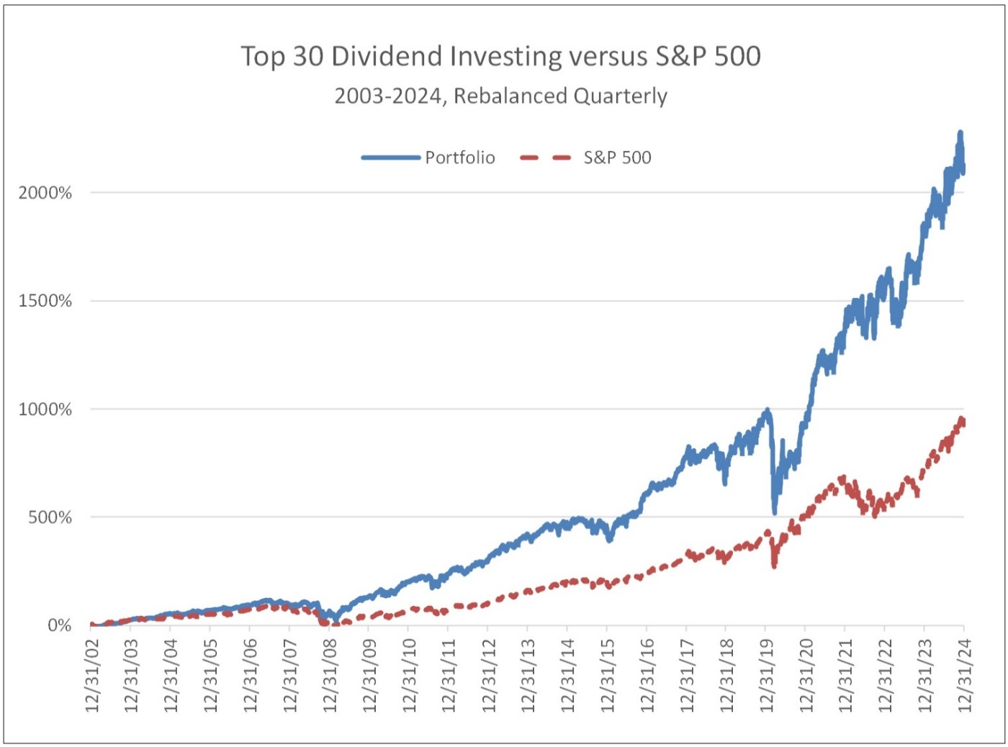
 | Back-tested, hypothetical, or simulated performance results have inherent limitations as they are based on retroactive application of a rules-based model designed with the benefit of hindsight. All figures shown are based on gross returns, without considering the impacts of trading costs, slippage, fees, or taxes. Hypothetical backtest results are neither an indicator nor a guarantee of future returns. Actual results will vary from the analysis.

 | Refer to Factor Definitions tab for other important disclosures.

