SCORE DEFINITIONS
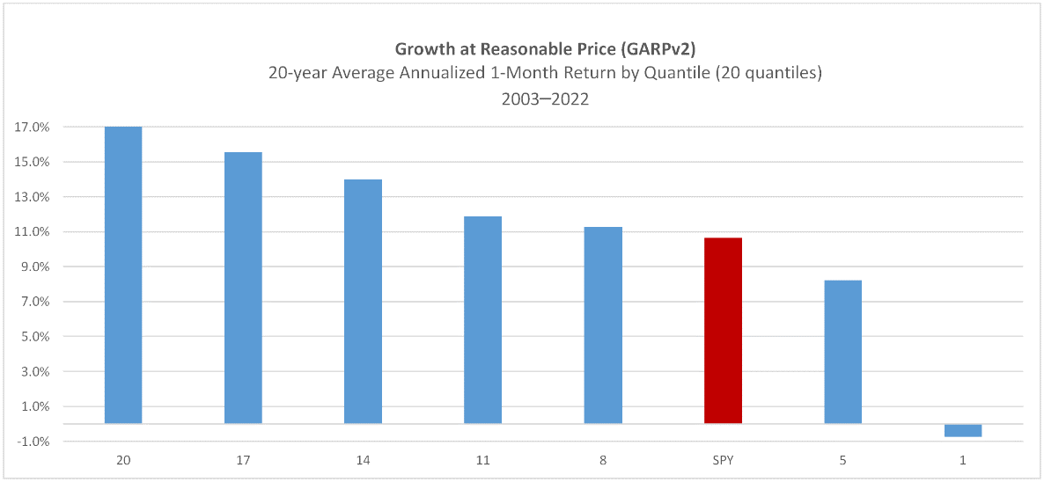
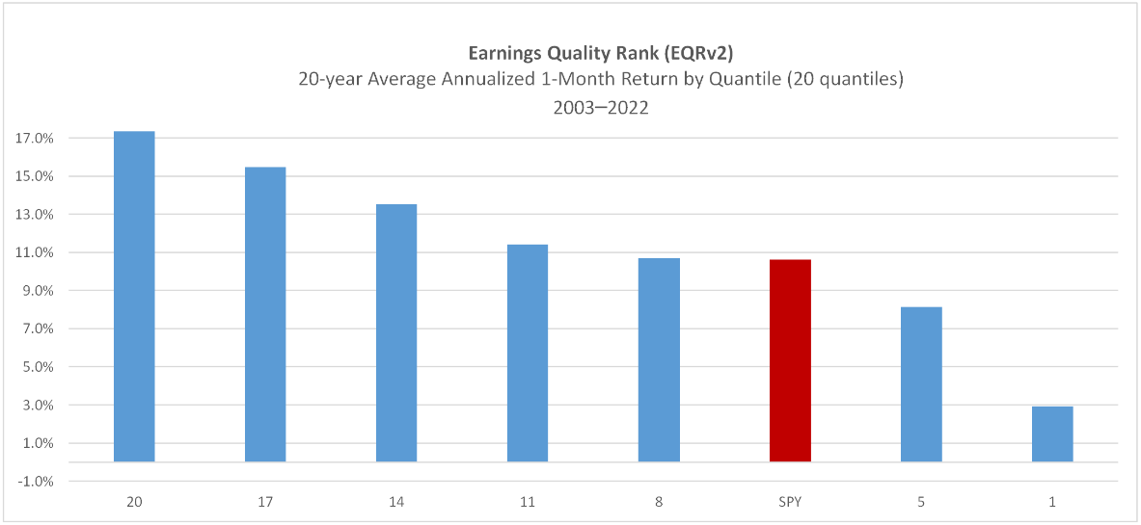
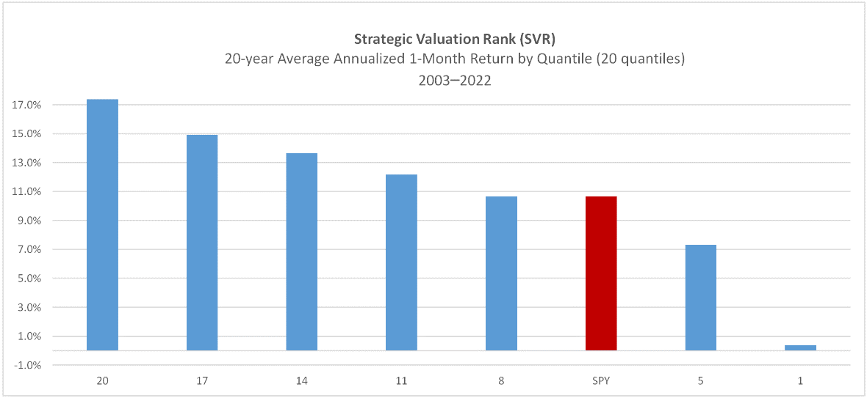
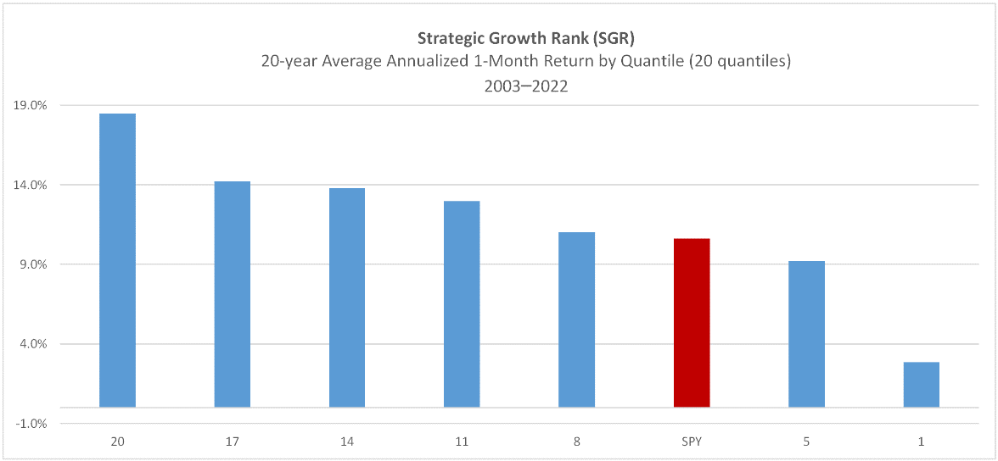
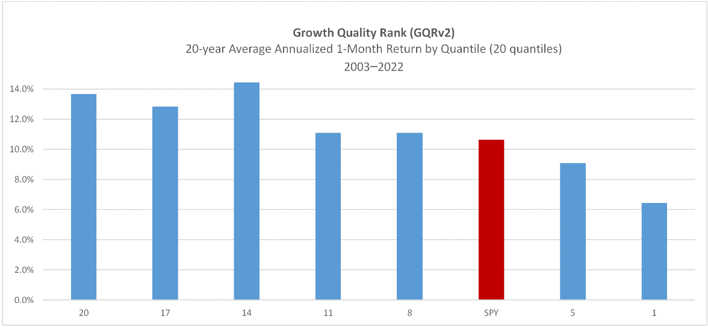
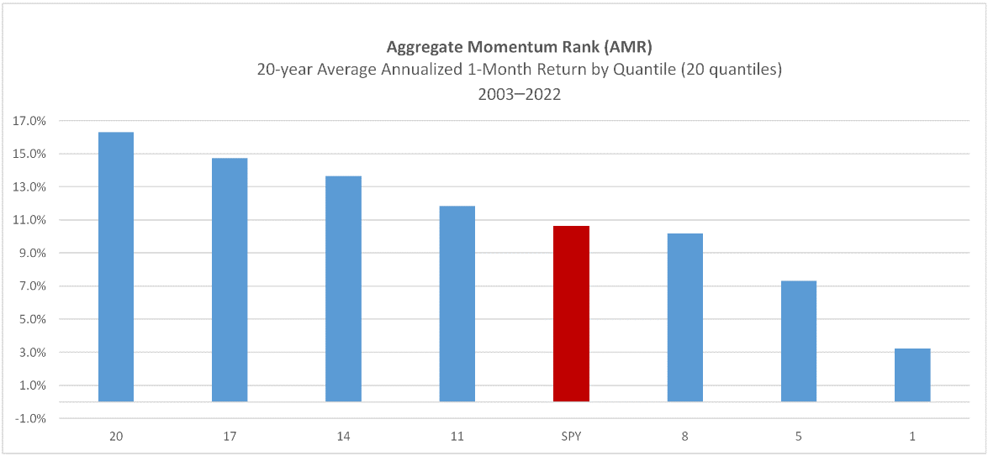
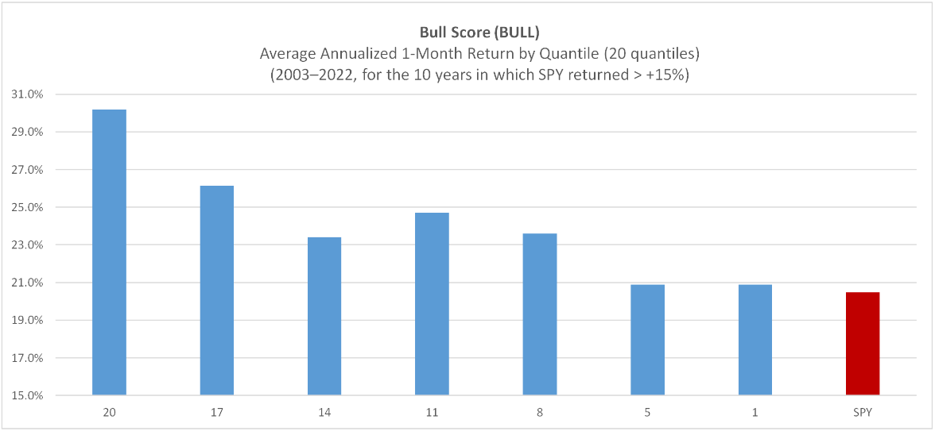
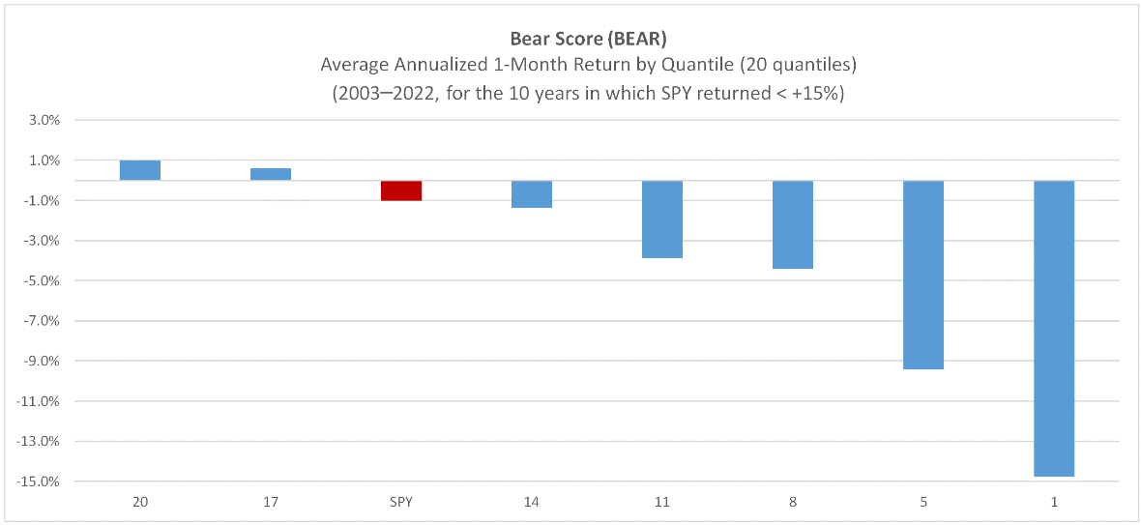
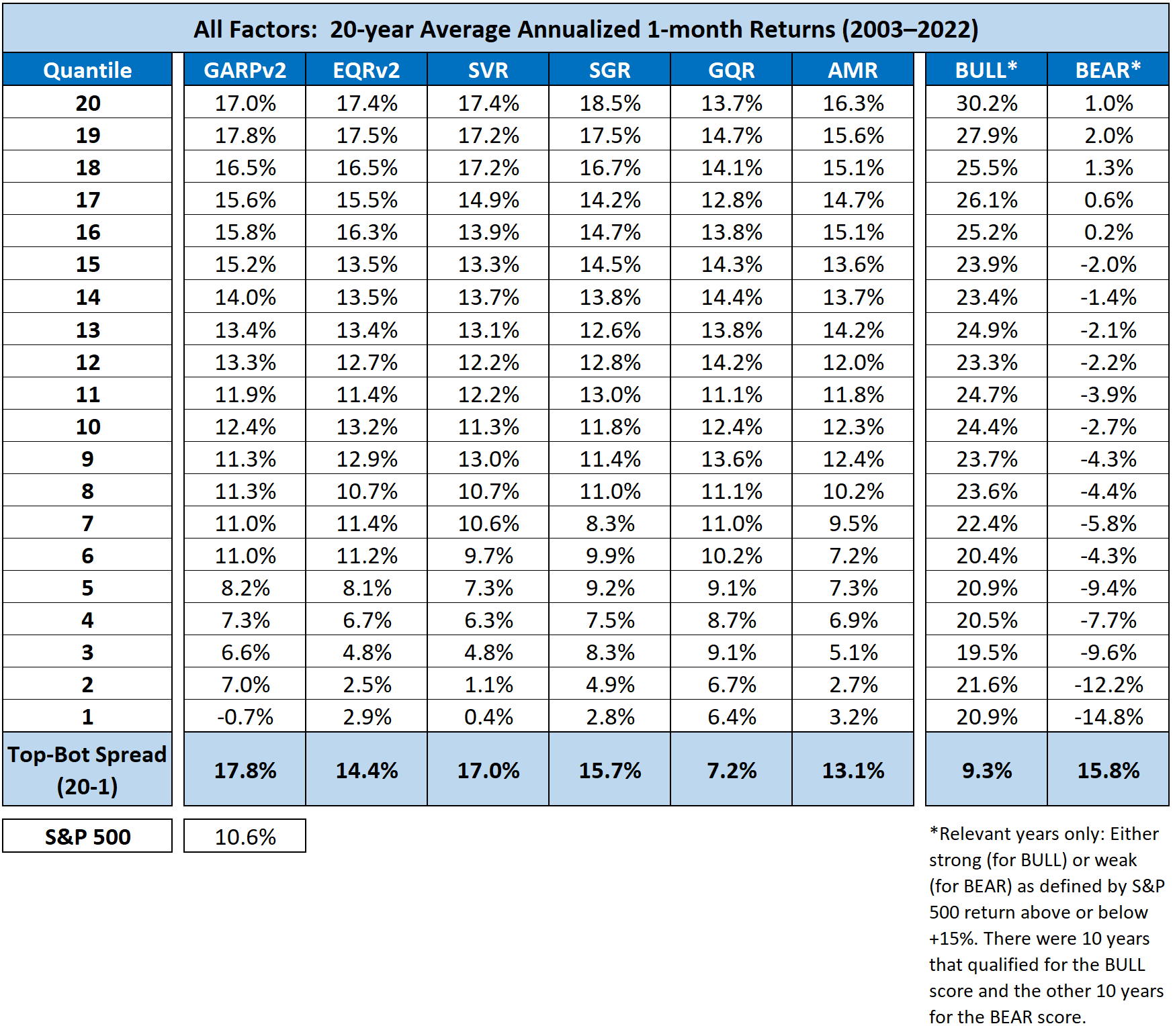
Sabrient Score Definitions: |  | Note 1: Normalized scores range 0-100, with 100 the best. For each month of the 20-year test period for each Sabrient Score, the stock universe was scored and ranked and separated into 20 quantiles. For example, Quantile 20 comprised stocks scoring 95-100, Quantile 19 comprised 90-95, down to Quantile 1 comprising stocks scoring 0-5. Then, 1-month forward returns were computed for each stock, averaged across all stocks within the quantile, and then annualized.

Overview | Sabrient's scores are based on proprietary algorithms that use a range of fundamental data and a relative scoring engine. Scores have a range of 1 – 100. Higher scores are better.

GARP | Growth At Reasonable Price
 | GARP is based on a combination of historical and projected EPS growth, forward P/E, recent earnings revisions from the sell-side analyst community, EQR, and GQR. The higher the GARP Score, the more attractive the combination of valuation, quality, and growth prospects.

EQR | Earnings Quality Rank (version 2)
 | EQR was developed jointly by Sabrient and Gradient as a pure accounting-based risk assessment factor that measures a company’s relative potential risk due to accrual accounting practices, as reflected in key relationships between information contained in the income statement, balance sheet, and cash flow statement. Version 2.0 employs 30 unique industry-specific sub-models as well as trend analysis in selected financial ratios, as well as a relative-scoring engine to assess earnings quality versus peers in similar industries and then roll up industry-level rankings into a universe-wide aggregate rank. | Note 2: BULL years were 2009 (+26.0% for SPY), 2010 (+15.8%), 2012 (+15.4%), 2013 (+28.7%), 2017 (+20.0%), 2019 (+28.4%), 2020 (+20.1%), 2021 (+26.1%)
 |  | Note 3: BEAR years were 2007 (+5.8% for SPY), 2008 (-43.2%), 2011 (+3.2%), 2014 (+13.2%), 2015 (+2.2%), 2016 (+11.8%), 2018 (-3.4%), 2022 (-17.4%)
GQR: | Growth Quality Rank
 | GQR employs relative-scoring engine to compare the consistency and reliability of a company’s earnings growth, history of earnings surprises, and the likelihood of meeting consensus earnings estimates versus industry peers. As an added factor to the GARP model, it allows for some higher-P/E secular growth companies to be competitive in the rankings with lower-P/E cyclical growth companies that the GARP model tends to favor, thus improving all-weather performance and reducing relative volatility versus market benchmarks.

SVR | Strategic Valuation Rank
 | SVR utilizes trailing and forward factors related to income statement, balance sheet, and statement of cash flows. It employs a relative-scoring engine to compare each company against its peers in similar industries, and then rolls up those industry-level rankings into a universe-wide aggregate rank.

SGR | Strategic Growth Rank
 | SGR utilizes a combination of factors related to historical cash flow, revenue, operating income, and EPS growth in addition to expected growth (as derived from analyst estimates). Employs relative-scoring engine to compare each company against its peers in similar industries, and then rolls up those industry-level rankings into a universe-wide aggregate rank.

AMR | Aggregate Price Momentum Rank
 | AMR applies price trend factors to a wide array of time periods to develop a holistic assessment of price momentum. Employs relative-scoring engine to compare each company against its peers in similar industries, and then rolls up those rankings into a universe-wide aggregate rank.

DIV | Dividend Rank
 | DIV combines a variety of dividend-oriented factors, including yield, coverage ratio, a history of increasing dividends, and a history of consistent and reliable dividend payments. Must pay >1% yield to get a score.

BULL | The BULL Score Indicates a stock's relative tendency to outperform during strong market conditions. The higher the score, the more likely the stock will outperform in a rising market.

BEAR | The BEAR Score indicates a security’s relative tendency to outperform during weak market conditions. The higher the score, the more likely the stock will outperform in a falling market.

